Chart15
Machine: ($ K) vs Platform

Chart1
Next Generation Sequencing Install Base http://tinyurl.com/ngsspecs (logarithmic scale)

#NGS #Sample2Answer bit.lyngs-s
instrument | time (hours) | description
Oxford Nanopore + Google AI + Nvidia GPUs | 3 | https://www.medrxiv.org/content/10.1101/2022.09.09.22279746v1
Oxford Nanopore + Google AI + Nvidia GPUs | 8 | https://www.nature.com/articles/s41587-022-01221-5
Illumina NovaSeq + DRAGEN | 13.5 | https://www.nejm.org/doi/full/10.1056/NEJMc2100365
Illumina HiSeq 2500 Rapid Run | 23.5 | Stephen Kingsmore Lab in collaboration with Illumina (2012)
time (hours) vs instrument/method (lower is better)

Cost_Metrics
Gigs per $1000 lower and Gigs per $1000 higher

Illumina
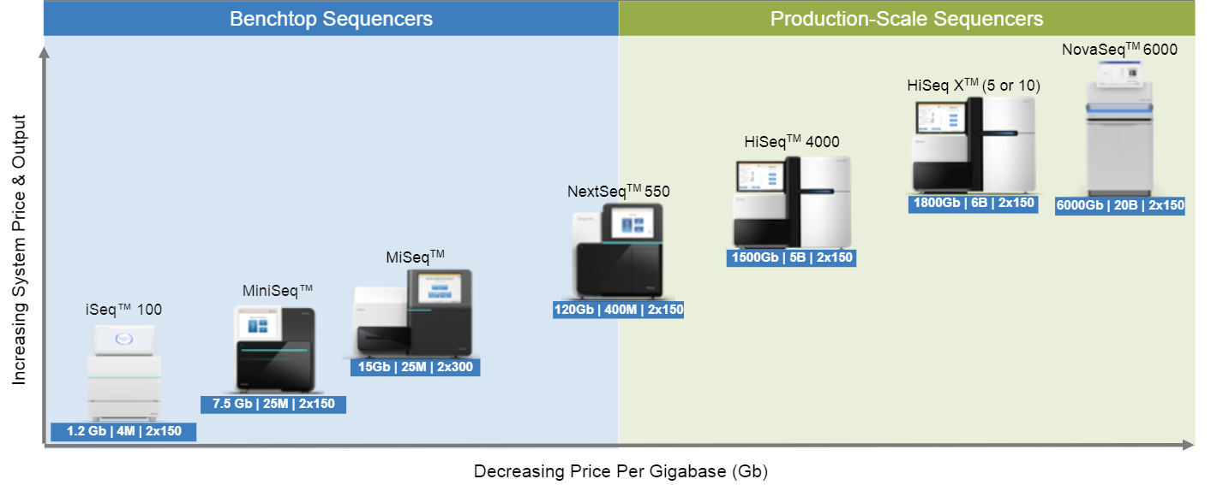

NovaSeq_v1.5_Chart
Cycles, Throughput (Gb), Price Kit/Cartridge (GBP) and Price per Gb (GBP)

Chart_Illumina_Product_Map
cycles and throughput (Gbp)

Copy of Chart_Illumina_Product_
cycles and throughput (Gbp)

NextSeq_vs_AVITI
num_cycles, yield_gb and price_per_gb
kit | num_cycles | yield_gb | price_per_gb | price
NextSeq 2000 P3 300 cycles | 300 | 360 | 13.52 | 4866
NextSeq 2000 P3 200 cycles | 200 | 240 | 15.20 | 3649
NextSeq 2000 P3 100 cycles | 100 | 120 | 21.97 | 2636
NovaSeq 6000 SP Reagent Kit (100 cycles) | 100 | 80 | 22.81 | 1825
NextSeq 2000 P2 300 cycles | 300 | 120 | 23.93 | 2871
NextSeq 2000 P2 200 cycles | 200 | 80 | 27.06 | 2165
NextSeq 2000 P2 100 cycles | 100 | 40 | 28.80 | 1152
NextSeq 2000 P3 50 cycles | 50 | 60 | 30.42 | 1825
NextSeq 500/550 High Output Kit v2.5 (300 Cycles) | 300 | 120 | 32.58 | 3909
NextSeq 500/550 Mid Output Kit v2.5 (300 Cycles) | 300 | 39 | 38.36 | 1496
NextSeq 500/550 High Output Kit v2.5 (150 Cycles) | 150 | 60 | 40.68 | 2441
NextSeq 500/550 High Output Kit v2.5 (75 Cycles) | 75 | 30 | 42.43 | 1273
NextSeq 500/550 Mid Output Kit v2.5 (150 Cycles) | 150 | 19.5 | 47.64 | 929
ElemBio AVITI 2 flowcells | 300 | 800 | 2.67
ElemBio AVITI 1 flowcell 300 cycles | 300 | 480 | 2.67 | 1,285
ElemBio AVITI 1 flowcell 200 cycles | 200 | 320
ElemBio AVITI 1 flowcell 150 cycles | 150 | 240
ElemBio AVITI 1 flowcell 100 cycles | 100 | 160
ElemBio AVITI 1 flowcell 50 cycles | 50 | 80

#Illumina #Kits #ge300cycles
#Illumina #kits #greaterequal300cycles Cycles, Throughput (Gb), Price Kit/Cartridge (GBP) and Price per Gb (GBP)

MGI
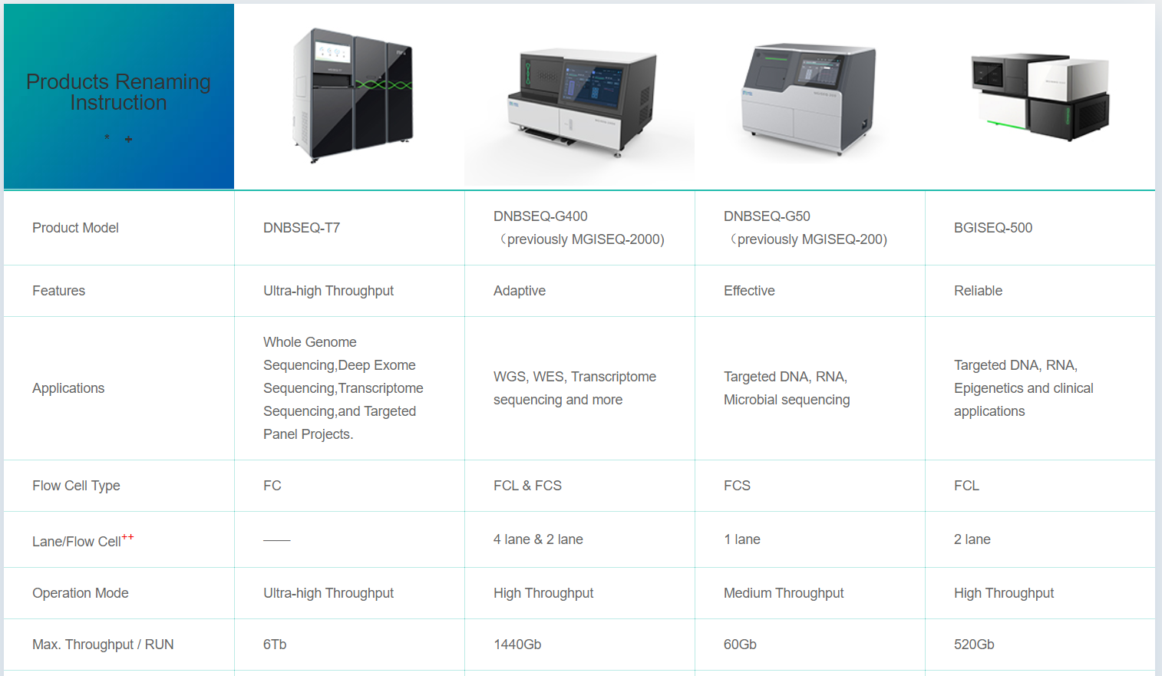

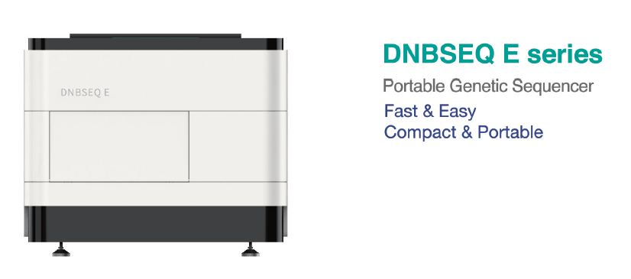

OMIC
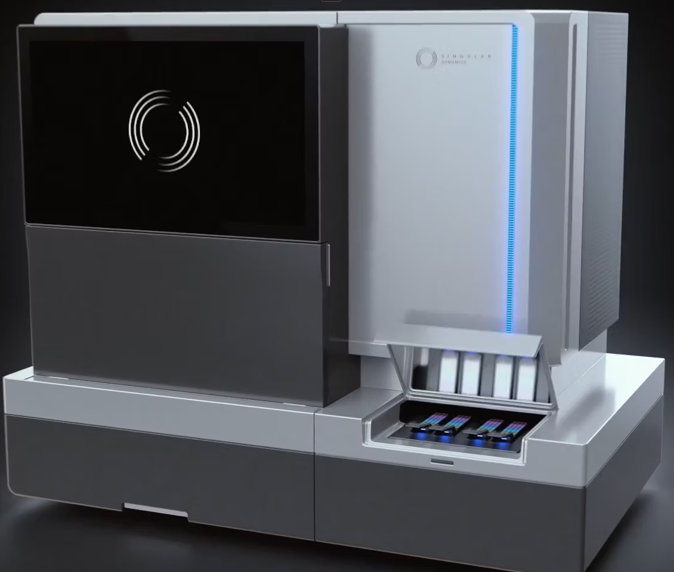
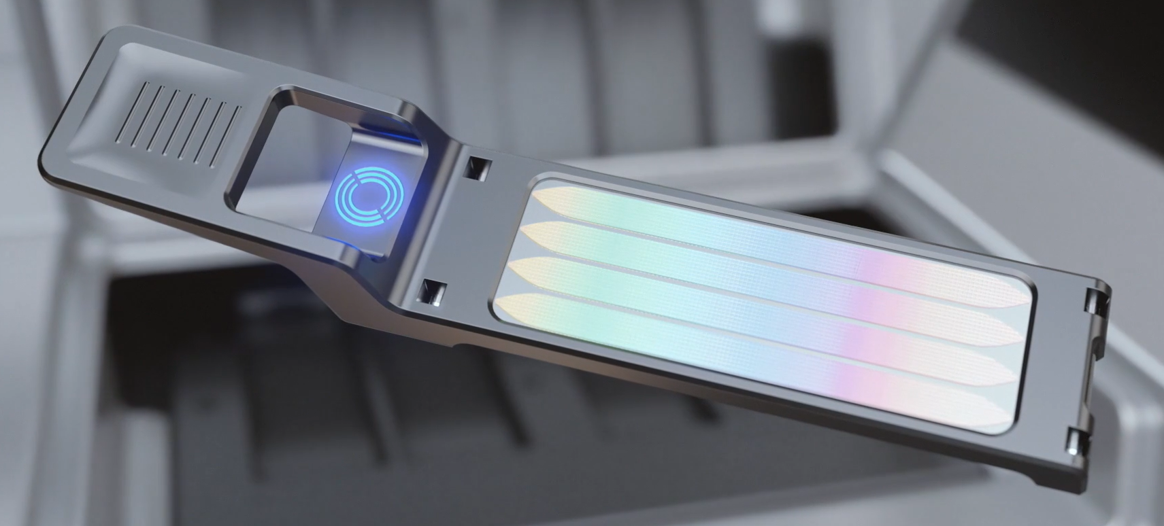

Chart_MGI_Product_Map
Throughput and Cycles

Chart_DollarGenome
#xdollargenome #humangenome bit.ly/xdollargenome

Chart10
#DTCGenome Offerings: Min Array (USD), Max Array (USD), Min WGS (USD) and Max WGS (USD)

PacBio
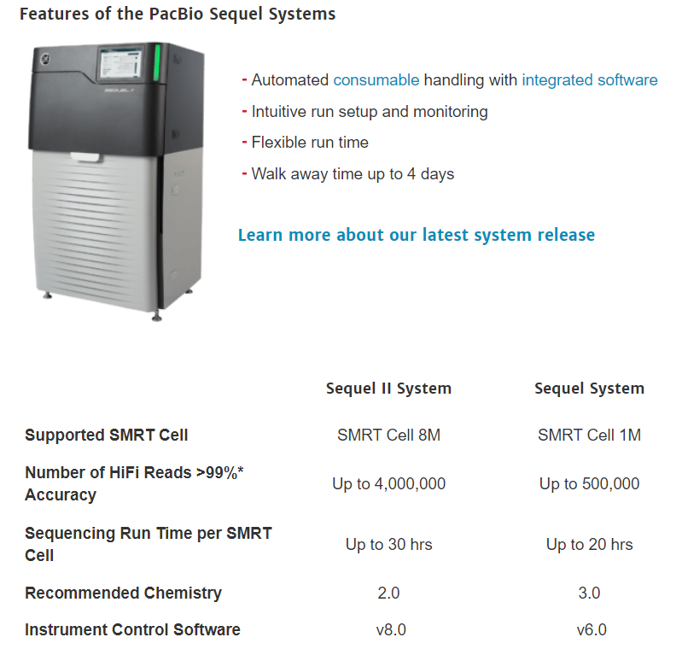

Thermo
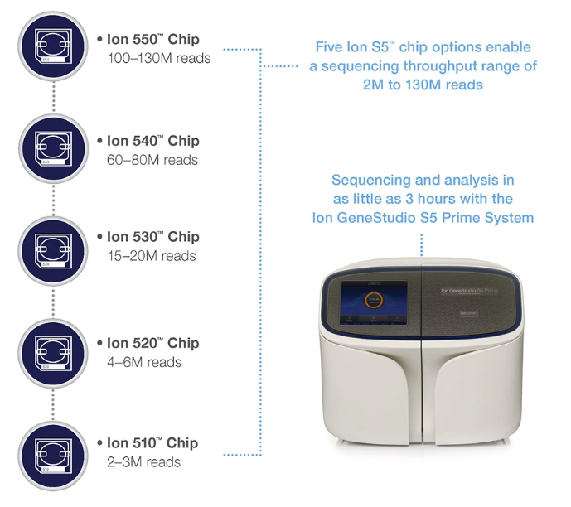
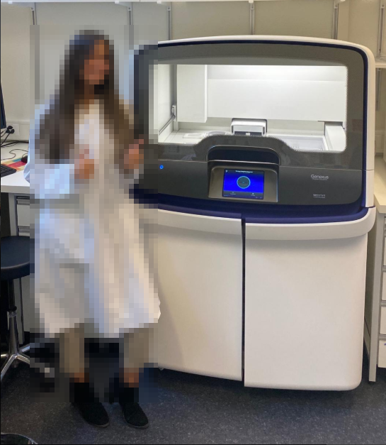

GenapSys
